Reserves-MiningTechAttribute
 |  |  |  |  | AT | QU | ON | MA | SA | AL | BC | the unit for cost is M$/PJ, same with EU-TIMES and DEMO9
MINCOHRSV1 | BNDACT | UP |  | 2020 | 0 | 0 | 0 | 0 | 0 | 322.3586 | 730.42458333 | *29.3 GJ/tonne hard coal, while 15 GJ/tonne lignite coal, referring to https://www150.statcan.gc.ca/n1/pub/57-601-x/2011003/appendix-appendice1-eng.htm |  |  | 2.50 |  | 450.00 | 1500.00 |  |  | 274.00 |  |  |  |  |  |  | 5.00 | 2.51 |  |  |  |  |  |  |  | 2478.00 | 100.00 | 52.00 |  | 33.72 |  | 800.00
MINCOHRSV1 | BNDACT | UP |  | 2050 | 0 | 0 | 0 | 0 | 0 | 322.3586 | 730.42458333 | *The hard coal is mainly from BC then AL, and lignite is from SA [https://natural-resources.canada.ca/minerals-mining/mining-data-statistics-and-analysis/minerals-metals-facts/coal-facts/20071?utm_source=chatgpt.com];We verified our data source by using---Most of the coal mined in Canada comes from British Columbia (59%), Alberta (28%) and Saskatchewan (13%)[https://natural-resources.canada.ca/minerals-mining/mining-data-statistics-and-analysis/minerals-metals-facts/coal-facts/20071?utm_source=chatgpt.com]; assuming the mining capacity doesn't change with time |  |  | 10.00 |  | 400.00 |  |  |  | 274.00 |  |  |  |  |  |  | 5.00 | 2.51 |  |  |  |  |  |  |  | 2500.00 | 100.00 | 78.00 |  | 0.00 |  | 1600.00
MINCOHRSV2 | BNDACT | UP |  | 2020 | 0 | 0 | 0 | 0 | 0 | 64.47172 | 146.08491667 | -0.90154837186 |  |  |  |  | 50.00 |  |  |  |  |  |  |  |  |  |  |  | 0.00 |  |  |  |  |  |  | 25.00 |  | 50.00 |  |  | 48.05 |  | 387.90
MINCOHRSV2 | BNDACT | UP |  | 2050 | 0 | 0 | 0 | 0 | 0 | 64.47172 | 146.08491667 | *Further mining is derived by specific further need, according to dummy imports of the model |  |  |  |  | 50.00 |  |  |  |  |  |  |  |  |  |  |  | 0.00 |  |  |  |  |  |  | 25.00 |  | 50.00 |  |  | 50.45 |  | 775.80
MINCOHRSV3 | BNDACT | UP |  | 2020 | 0 | 0 | 0 | 0 | 0 | 64.47172 | 14.608491667 | -0.42240944396 |  |  |  |  |  |  |  |  | 274.00 |  |  |  |  |  |  |  | 0.00 |  |  |  |  |  |  |  |  | 50.00
MINCOHRSV3 | BNDACT | UP |  | 2050 | 0 | 0 | 0 | 0 | 0 | 64.47172 | 14.608491667 |  |  |  |  |  |  |  |  |  |  |  |  |  |  |  |  |  | 0.00 |  |  |  |  |  |  |  |  | 50.00
MINCOLRSV1 | BNDACT | UP |  | 2020 | 0 | 0 | 0 | 0 | 147.325 | 0 | 0 |  | 0.92 |  | 178.00 |  | 480.68 | 1609.91 |  | 500.00 | 96.29 | 89.14 |  | 357.47 |  | 73.19 | 39.00 |  | 0.00 | 56.70 | 5.00 |  | 22.00 | 53.96 |  |  | 533.23 | 300.00 | 361.15 | 43.00 | 53.11 | 26.67
MINCOLRSV1 | BNDACT | UP |  | 2050 | 0 | 0 | 0 | 0 | 147.325 | 0 | 0 |  |  |  | 178.00 |  | 550.00 | 1565.00 |  | 500.00 | 96.29 | 89.14 |  |  |  | 219.56 | 39.00 |  | 0.00 |  |  |  | 33.00 | 80.94 |  |  | 450.00 |  | 541.73 | 65.00 |  | 26.67
MINCOLRSV2 | BNDACT | UP |  | 2020 | 0 | 0 | 0 | 0 | 14.7325 | 0 | 0 | -0.91636084753 |  |  |  |  | 100.00 |  |  | 0.00 |  | 25.00 |  | 30.00 |  |  | 0.00 |  | 0.00 |  |  |  |  |  |  |  | 100.00 | 100.00 |  |  | 53.11
MINCOLRSV2 | BNDACT | UP |  | 2050 | 0 | 0 | 0 | 0 | 14.7325 | 0 | 0 |  |  |  |  |  | 100.00 |  |  |  |  | 25.00 |  | 200.00 |  |  | 0.00 |  | 0.00 |  |  |  |  |  |  |  | 100.00 | 100.00 |  |  | 55.77
MINCOLRSV3 | BNDACT | UP |  | 2020 | 0 | 0 | 0 | 0 | 1.47325 | 0 | 0 | -0.57119404082 |  |  |  |  |  |  |  | 0.00 | 50.00 | 25.00 |  |  |  |  |  |  | 0.00 |  |  |  |  |  |  |  |  | 100.00
MINCOLRSV3 | BNDACT | UP |  | 2050 | 0 | 0 | 0 | 0 | 1.47325 | 0 | 0 |  |  |  |  |  |  |  |  | 75.00 |  | 25.00 |  |  |  |  |  |  | 0.00 |  |  |  |  |  |  |  |  | 100.00
MINCOOFRE1 | BNDACT | UP |  | 2020 |  |  |  |  |  |  |  |  |  |  |  | 0.00 |  |  |  | 0.00 |  |  |  | 0.00 |  |  |  |  | 0.00 |  | 0.00 | 0.00 |  |  |  |  |  | 0.00 |  |  | 0.00 |  | 0.00
MINCOOFRE1 | BNDACT | UP |  | 2050 |  |  |  |  |  |  |  |  |  |  |  | 0.00 |  |  |  |  |  |  |  |  |  |  |  |  | 0.00 |  |  |  |  |  |  |  |  | 1.00 |  |  | 0.00 |  | 0.00
MINGASRSV1 | BNDACT | UP |  | 2020 | 1.8054163944 | 0.93557962696 | 2.6539599704 | 0.93557962696 | 136.30510121 | 3742.2954872 | 2062.527376 | *referring the 2020 practical gas production of canada energy future report 2023; and *3.73*10^-8 PJ/ m3 gas, referring to https://apps.cer-rec.gc.ca/Conversion/conversion-tables.aspx?GoCTemplateCulture=en-CA | 0.59 | 61.00 |  |  | 7.53 | 595.53 | 392.85 |  | 12.98 |  | 43.04 | 0.75 | 78.09 | 97.59 | 21.31 |  | 414.29 |  |  |  |  |  | 2355.70 | 3193.73 | 162.62 | 464.26 | 9.55 |  |  | 5.51 | 3324.19
MINGASRSV1 | BNDACT | UP |  | 2050 | 1.8054163944 | 0.93557962696 | 2.6539599704 | 0.93557962696 | 136.30510121 | 3742.2954872 | 2062.527376 |  |  | 61.00 |  |  | 7.53 | 595.53 | 392.85 |  | 12.98 |  |  | 0.75 | 117.14 | 97.59 | 21.31 |  | 414.29 |  |  |  |  |  | 2355.70 | 3193.73 | 162.62 | 464.26 | 14.32 |  |  | 5.51 | 6648.39 | 2050 | 2050 | 2010 | 2020
MINGASRSV4 | BNDACT | UP |  | 2020 | 0.90270819719 | 0.46778981348 | 1.3269799852 | 0.46778981348 | 68.152550605 | 1871.1477436 | 1031.263688 | *We use 0.5 as multiplying factor given the check on dummy imports of model; and also given the comparison between maximum produce vs. 2020's produce of gas |  |  |  |  |  |  |  |  |  |  |  |  |  |  |  |  | 372.86 |  |  |  |  |  |  | 3193.73 |  |  |  |  |  |  |  | 2005 | 2020 | 2014 | 2020
MINGASRSV4 | BNDACT | UP |  | 2050 | 0.90270819719 | 0.46778981348 | 1.3269799852 | 0.46778981348 | 68.152550605 | 1871.1477436 | 1031.263688 |  |  |  |  |  |  |  |  |  |  |  |  |  |  |  |  |  | 93.13 |  |  |  |  |  |  | 3193.73 |  |  |  |  |  |  |  | 2050 | 2050 | 2010 | 2020
MINGASRSV7 | BNDACT | UP |  | 2020 | 0.09027081972 | 0.046778981348 | 0.13269799852 | 0.046778981348 | 6.8152550605 | 1871.1477436 | 103.1263688 | -0.010454359415 |  |  |  |  |  |  |  |  |  |  |  |  |  |  |  |  | 335.58 |  |  |  |  |  |  | 3193.73 |  |  |  |  |  |  |  | 2005 | 2020 | 2014 | 2020
MINGASRSV7 | BNDACT | UP |  | 2050 | 0.09027081972 | 0.046778981348 | 0.13269799852 | 0.046778981348 | 6.8152550605 | 1871.1477436 | 103.1263688 |  |  |  |  |  |  |  |  |  |  |  |  |  |  |  |  |  | 83.82 |  |  |  |  |  |  | 3193.73 |  |  |  |  |  |  |  | 2050 | 2050 | 2010 | 2020
MINMALBAU1 | BNDACT | UP |  | 2020 |  |  |  |  |  |  |  |  |  |  |  |  |  |  |  |  |  |  |  | 1.80 |  |  |  |  |  |  |  |  |  |  |  |  |  |  |  |  |  |  |  | 2005 | 2020 | 2014 | 2020
MINMALBAU1 | BNDACT | UP |  | 2050 |  |  |  |  |  |  |  |  |  |  |  |  |  |  |  |  |  |  |  | 3.00 |  |  |  |  |  |  |  |  |  |  |  |  |  |  |  |  |  |  |  | 2050 | 2050 | 2010 | 2020
MINMALSCR1 | BNDACT | UP |  | 2020 | 14.142857143 | 14.142857143 | 14.142857143 | 14.142857143 | 14.142857143 | 14.142857143 | 14.142857143 |  |  |  |  |  |  | 99.00 |  |  |  |  | 99.00 | 0.11 |  |  |  |  |  |  |  |  |  |  |  |  |  |  |  |  |  |  |  | 2005 | 2020 | 2013 | 2020
MINMALSCR1 | BNDACT | UP |  | 2050 | 14.142857143 | 14.142857143 | 14.142857143 | 14.142857143 | 14.142857143 | 14.142857143 | 14.142857143 |  |  |  |  |  |  | 99.00 |  |  |  |  | 99.00 | 0.20 |  |  |  |  |  |  |  |  |  |  |  |  |  |  |  |  |  |  |  | 2050 | 2050 | 2014 | 2020
MINMISORE1 | BNDACT | UP |  | 2020 |  |  |  |  |  |  |  |  |  |  |  |  |  |  |  |  |  |  |  | 0.00 |  |  |  |  |  |  |  |  |  |  |  |  |  |  |  |  |  |  |  | 2050 | 2050
MINMISORE1 | BNDACT | UP |  | 2050 |  |  |  |  |  |  |  |  |  |  |  |  |  |  |  |  |  |  |  | 0.00 |  |  |  |  |  |  |  |  |  |  |  |  |  |  |  |  |  |  |  | 2015 | 2020
MINMISSCR1 | BNDACT | UP |  | 2020 | 4.8714285714 | 4.8714285714 | 4.8714285714 | 4.8714285714 | 4.8714285714 | 4.8714285714 | 4.8714285714 |  |  |  |  |  | 3.78 | 34.10 |  |  |  |  | 15.70 | 2.00 |  |  |  |  |  |  |  |  |  |  |  |  |  |  |  |  |  |  |  | 2005 | 2020
MINMISSCR1 | BNDACT | UP |  | 2050 | 4.8714285714 | 4.8714285714 | 4.8714285714 | 4.8714285714 | 4.8714285714 | 4.8714285714 | 4.8714285714 |  |  |  |  |  | 4.16 | 34.10 |  |  |  |  | 24.59 | 7.00 |  |  |  |  |  |  |  |  |  |  |  |  |  |  |  |  |  |  |  | 2050 | 2050
MINMPPRYC1 | BNDACT | UP |  | 2020 | 2.1857142857 | 2.1857142857 | 2.1857142857 | 2.1857142857 | 2.1857142857 | 2.1857142857 | 2.1857142857 |  |  | 2.31 |  |  | 0.30 | 15.30 |  |  |  |  |  |  |  | 0.11 |  |  |  |  |  |  |  |  |  |  |  |  |  |  |  | 0.19 |  | 2050 | 2050
MINMPPRYC1 | BNDACT | UP |  | 2050 | 2.1857142857 | 2.1857142857 | 2.1857142857 | 2.1857142857 | 2.1857142857 | 2.1857142857 | 2.1857142857 |  |  | 2.31 |  |  | 0.30 | 15.30 |  |  |  |  |  |  |  | 0.11 |  |  |  |  |  |  |  |  |  |  |  |  |  |  |  | 0.19 |  | 2005 | 2020
MINMPPWOO1 | BNDACT | UP |  | 2020 | 200.2 | 413 | 351.4 | 238 | 438.2 | 498.4 | 421.4 | *We use primary bioenergy feedstocks used across Canada to quantify the bound on bio-related energy mining:: https://www.cer-rec.gc.ca/en/data-analysis/energy-markets/market-snapshots/2023/market-snapshot-canada-bioenergy-diversity-potential.html, We calculated the potential by applying a ratio of 21/15, using the feedstock available in 2050 relative to the feedstock available in 2020. |  |  |  |  |  | 15.27 |  |  |  | 23.40 |  |  |  |  |  |  |  |  |  |  |  |  |  |  |  |  |  |  |  |  |  | 2050 | 2050
MINMPPWOO1 | BNDACT | UP |  | 2050 | 600.6 | 1239 | 1054.2 | 714 | 1314.6 | 1495.2 | 1264.2 | *For 2050, we assume ~3-times feedstock used comparing to 2020, as the bound for forest-mining activity, according to CEF2023 |  |  |  |  |  | 30.00 |  |  |  | 58.50 |  |  |  |  |  |  |  |  |  |  |  |  |  |  |  |  |  |  |  |  |  | 2005 | 2020
MINOILRSV1 | BNDACT | UP |  | 2020 | 650.79416244 | 13.722247122 | 1.1492850671 | 86.446101669 | 994.43312005 | 8649.6965934 | 244.81849021 | 0.039356 | 18.55 | 52.08 | 7.50 |  | 40.27 | 316.48 | 842.00 |  | 65.55 |  | 163.44 | 12.71 | 43.41 | 94.21 |  |  | 283.50 |  | 18.00 |  |  |  | 105.30 | 6631.14 | 73.26 | 253.78 | 26.04 |  |  | 28.68 | 4040.70 | 2050 | 2050
MINOILRSV1 | BNDACT | UP |  | 2050 | 650.79416244 | 13.722247122 | 1.1492850671 | 86.446101669 | 994.43312005 | 8649.6965934 | 244.81849021 | *referring the 2020 practical crude oil production of canada energy future report 2023; and 0.039356*10^-3 PJ/m3 as the average of the values in https://apps.cer-rec.gc.ca/Conversion/conversion-tables.aspx?GoCTemplateCulture=en-CA |  | 52.08 | 7.50 |  | 40.27 | 316.48 | 842.00 |  | 65.55 |  | 163.44 | 12.71 | 65.12 | 94.21 |  |  | 283.50 |  |  |  |  |  | 105.30 | 6631.14 | 73.26 | 253.78 | 39.06 |  |  | 28.68 | 4040.70 | 2005 | 2020
MINOILRSV2 | BNDACT | UP |  | 2020 | 195.23824873 | 4.1166741366 | 0.34478552012 | 25.933830501 | 298.32993602 | 2594.908978 | 73.445547064 | *nearly same to sv1 |  |  |  |  |  |  |  |  |  |  |  |  |  |  |  |  |  |  | 18.00 |  |  |  |  |  |  |  |  |  |  |  |  | 2005 | 2020
MINOILRSV2 | BNDACT | UP |  | 2050 | 195.23824873 | 4.1166741366 | 0.34478552012 | 25.933830501 | 298.32993602 | 2594.908978 | 73.445547064
MINOILRSV4 | BNDACT | UP |  | 2020 | 19.523824873 | 0.41166741366 | 0.034478552012 | 2.5933830501 | 29.832993602 | 2594.908978 | 7.3445547064 | -0.11815965423 |  |  |  |  |  |  |  |  | 57.81 |  |  |  |  |  |  |  | 255.15 |  |  |  |  |  | 92.64 | 6631.14 |  | 223.25 |  |  |  |  |  | 2005 | 2020
MINOILRSV4 | BNDACT | UP |  | 2050 | 19.523824873 | 0.41166741366 | 0.034478552012 | 2.5933830501 | 29.832993602 | 2594.908978 | 7.3445547064 |  |  |  |  |  |  |  |  |  | 57.81 |  |  |  |  |  |  |  | 113.48 |  |  |  |  |  | 92.64 | 6631.14 |  | 223.25 |  |  |  |  |  | 2050 | 2050
MINOILRSV7 | BNDACT | UP |  | 2020 | 0 | 0 | 0 | 0 | 0 | 0 | 0 |  |  |  |  |  |  |  |  |  | 385.14 |  |  |  |  |  |  |  | 229.63 |  |  |  |  |  | 4028.39 | 6631.14 |  | 700.24 |  |  |  |  |  | 2050 | 2050
MINOILRSV7 | BNDACT | UP |  | 2050 | 0 | 0 | 0 | 0 | 0 | 0 | 0 |  |  |  |  |  |  |  |  |  | 385.14 |  |  |  |  |  |  |  | 102.13 |  |  |  |  |  | 4028.39 | 6631.14 |  | 700.24 |  |  |  |  |  | 2005 | 2020
MINRENGEO1 | BNDACT | UP | RENGEO | 2020 | 6.28 | 6.28 | 6.28 | 6.28 | 6.28 | 62.80 | 62.80 | *Canada’s geothermal potential is immense, with an estimated 5,000 megawatt (MW) resources with currently available technology [Canadian Geothermal Energy Association. (n.d.). Geothermal. Retrieved from https://www.cangea.ca/geothermal.html (Date Accessed: July 2023)], so the total potential should be 5000*24*365 MWh which is 157PJ, we accounts 80% of them in BC and AL
MINRENGEO1 | BNDACT | UP | RENGEO | 2050 | 6.28 | 6.28 | 6.28 | 6.28 | 6.28 | 62.80 | 62.80
* | BNDACT | UP |  | 2020 | 0 | 0 | 0 | 0 | 15000 | 0 | 0 | "In 2021, the Saskatchewan uranium industry employed 1,842 people. In 2023, the industry is currently expected to produce 15 million kilograms of yellowcake, almost double last year's number." | Saskatchewan Second-Largest Global Producer of Uranium | News and Media | Government of Saskatchewan |  |  |  |  |  |  | Another data source please see the pic
* | BNDACT | UP |  | 2050 | 0 | 0 | 0 | 0 | 15000 | 0 | 0 | *Unit: tUa
MINRENTID1 | COST |  | RENTID | 2020 | 0.0001 | 0.0001 | 0.0001 | 0.0001 | 0.0001 | 0.0001 | 0.0001
MINRENTID1 | COST |  | RENTID | 2050 | 0.0001 | 0.0001 | 0.0001 | 0.0001 | 0.0001 | 0.0001 | 0.0001
MINRENHYD1 | BNDACT |  |  | 2020 | 203.99626646 | 1078.7627995 | 166.52417368 | 204.44725171 | 17.032535029 | 5.5171390031 | 267.02263095 | *CEF2023, the 2050 generation maximum*1.2 among three sces, we put a *1.2 relax multiplier for it
MINRENSOL1 | BNDACT |  |  | 2020 | 4.035191036 | 6.400721446 | 71.309600612 | 1.3535383209 | 9.10904304 | 100.5093947 | 52.759743677
MINRENWIN1 | BNDACT |  |  | 2020 | 139.59069608 | 72.856530097 | 871.24931271 | 5.6380380695 | 63.050167657 | 202.36636823 | 107.88248952
MINURANIUM | BNDACT | UP |  | 2020.00 | 0.00 | 0.00 | 0.00 | 0.00 | 15000.00 | 0.00 | 0.00
MINURANIUM | BNDACT | UP |  | 2050.00 | 0.00 | 0.00 | 0.00 | 0.00 | 15000.00 | 0.00 | 0.00
MINURANIUM | COST |  | NUCU308 | 2020.00 | 0.13 | 0.13 | 0.13 | 0.13 | 0.13 | 0.13 | 0.13
MINURANIUM | COST |  | NUCU308 | 2050.00 | 0.13 | 0.13 | 0.13 | 0.13 | 0.13 | 0.13 | 0.13
MINRENAHT | BNDACT | UP |  |  | 36.62577724 | 126.8762155 | 261.263084 | 27.19933286 | 26.554853 | 115.7863352 | 67.35759566 | *we put a constrint of 50% of future heat/cool demand [calculation see RSD-BY file-demand sheet] is from heat pump, refering to CEF2023

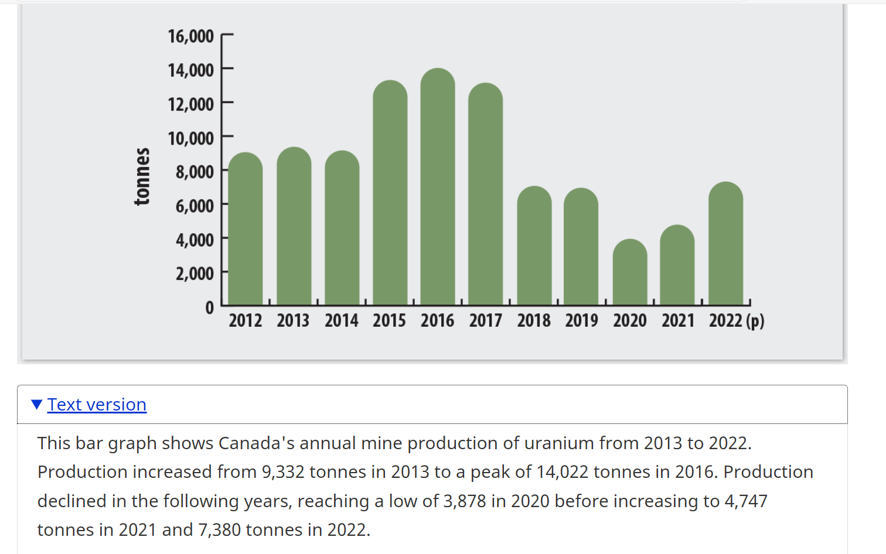
 |  |  |  |  |  |  |  |  |  | 0.8128604287
 |  |  |  |  |  |  |  |  |  | 0.63 | 0.35

 |  |  |  |  | 181.55 | 960.19 | 146.85 | 180.30 | 15.06 | 5.00 | 235.86
 |  |  |  |  | 6.82 | 23.41 | 88.14 | 4.34 | 23.61 | 104.00 | 59.59
 |  |  |  |  | 147.46 | 130.39 | 842.04 | 20.66 | 76.05 | 250.00 | 313.58

 |  |  |  |  | 203.99626646 | 1078.7627995 | 166.52417368 | 204.44725171 | 17.032535029 | 5.5171390031 | 267.02263095
 |  |  |  |  | 4.04 | 6.40 | 71.31 | 1.35 | 9.11 | 100.51 | 52.76
 |  |  |  |  | 139.59069608 | 72.856530097 | 871.24931271 | 5.6380380695 | 63.050167657 | 202.36636823 | 107.88248952

NOUSEEmi2
*NOUSE-because all auxiliary energy use for mining, production, refining are all related to industrial energy, so the carbon bustion will be show up in the industry secor

 | CommName | SUPCOA | SUPRPG | SUPCRD | SUPGAS | SUPBIO | SUPRPP
 | SUPCO2N | 90.333333333 | 61 | 76.4 | 50 |  | 86

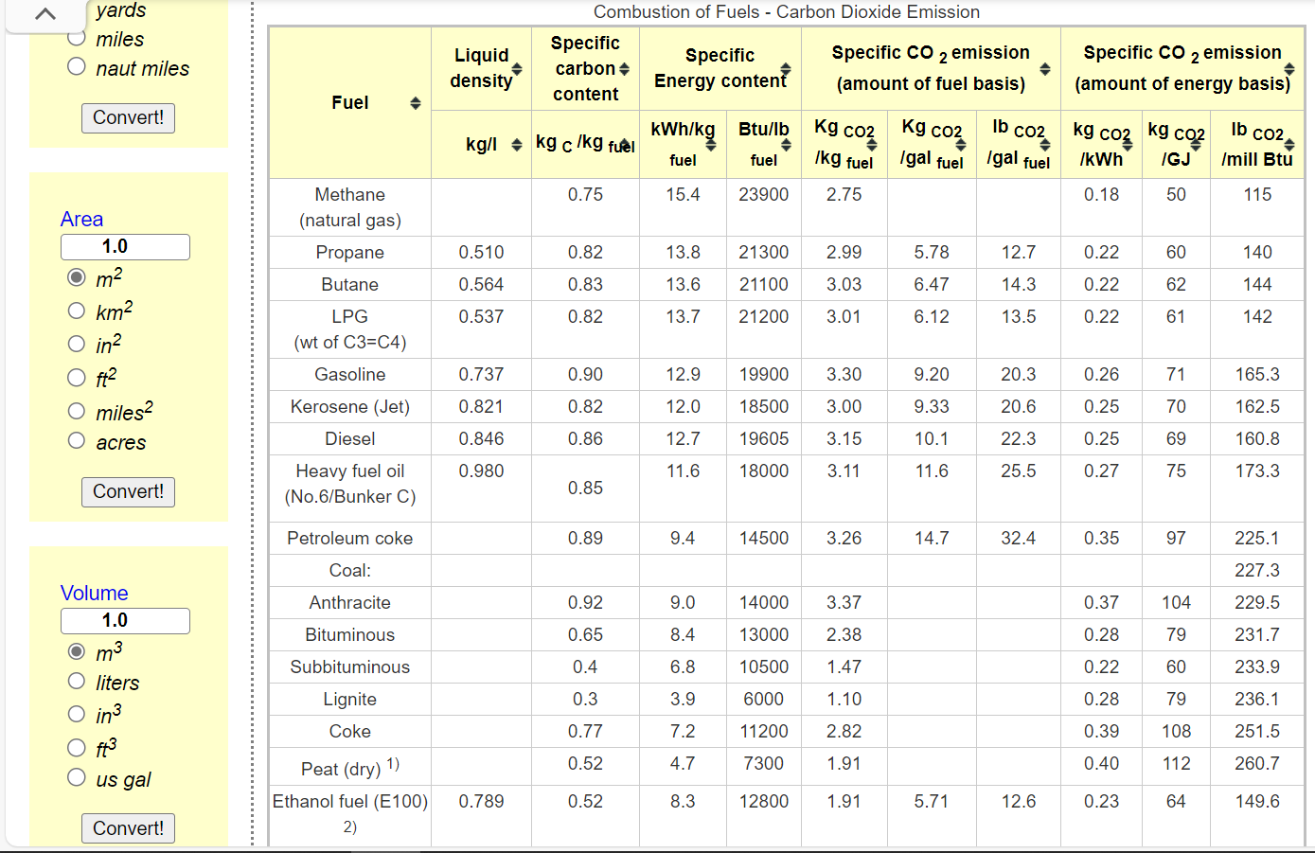

 |  |  |  |  |  |  |  | OILOTH | OILRFG
 |  |  |  |  |  |  |  | 0.00 | 0.00

NOUSEEmi
 |  |  |  |  | *The factor for COHRSV and COLRSV comes from EU-TIMES
CommName | GASPIP | OILPIP | COHRSV | COLRSV
SUPCO2N | 11 | 17 | 96 | 96 | *https://www.iea.org/reports/emissions-from-oil-and-gas-operations-in-net-zero-transitions#overview
 |  |  |  |  | *To convert barrels of oil to petajoules (PJ), you need to know the energy content of the oil. The energy content varies depending on the type of oil. On average, one barrel of oil contains about 6.1 gigajoules (GJ) or 0.0061 petajoules (PJ) of energy. So, 1 barrel of oil is approximately 0.0061 PJ. | 17.049180328

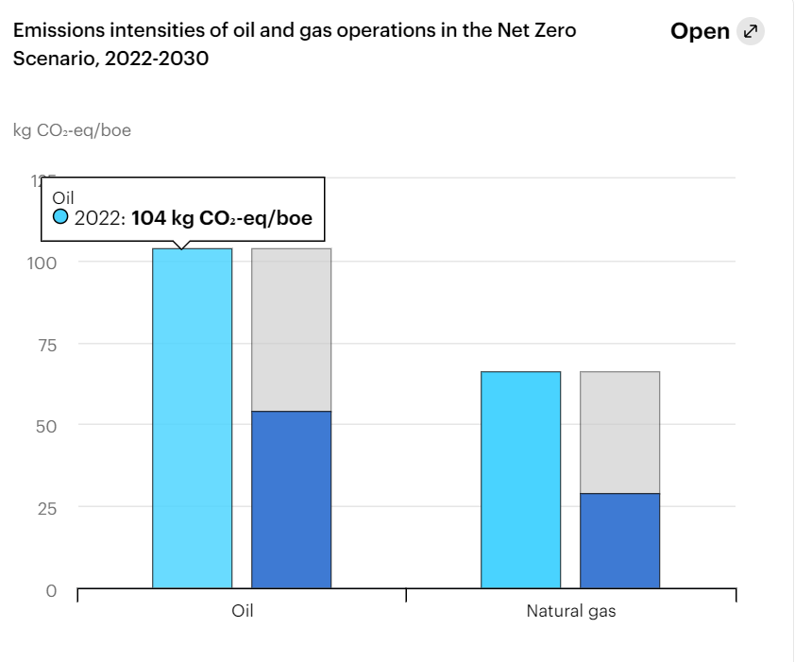

 |  |  | SUPBIO | 15
 |  |  | SUPCOA | 104
 |  |  | SUPCRD | 78
 |  |  | SUPGAS | 0
 |  |  | SUPRPG | 59
 |  |  | SUPRPP | 172

